Table 16
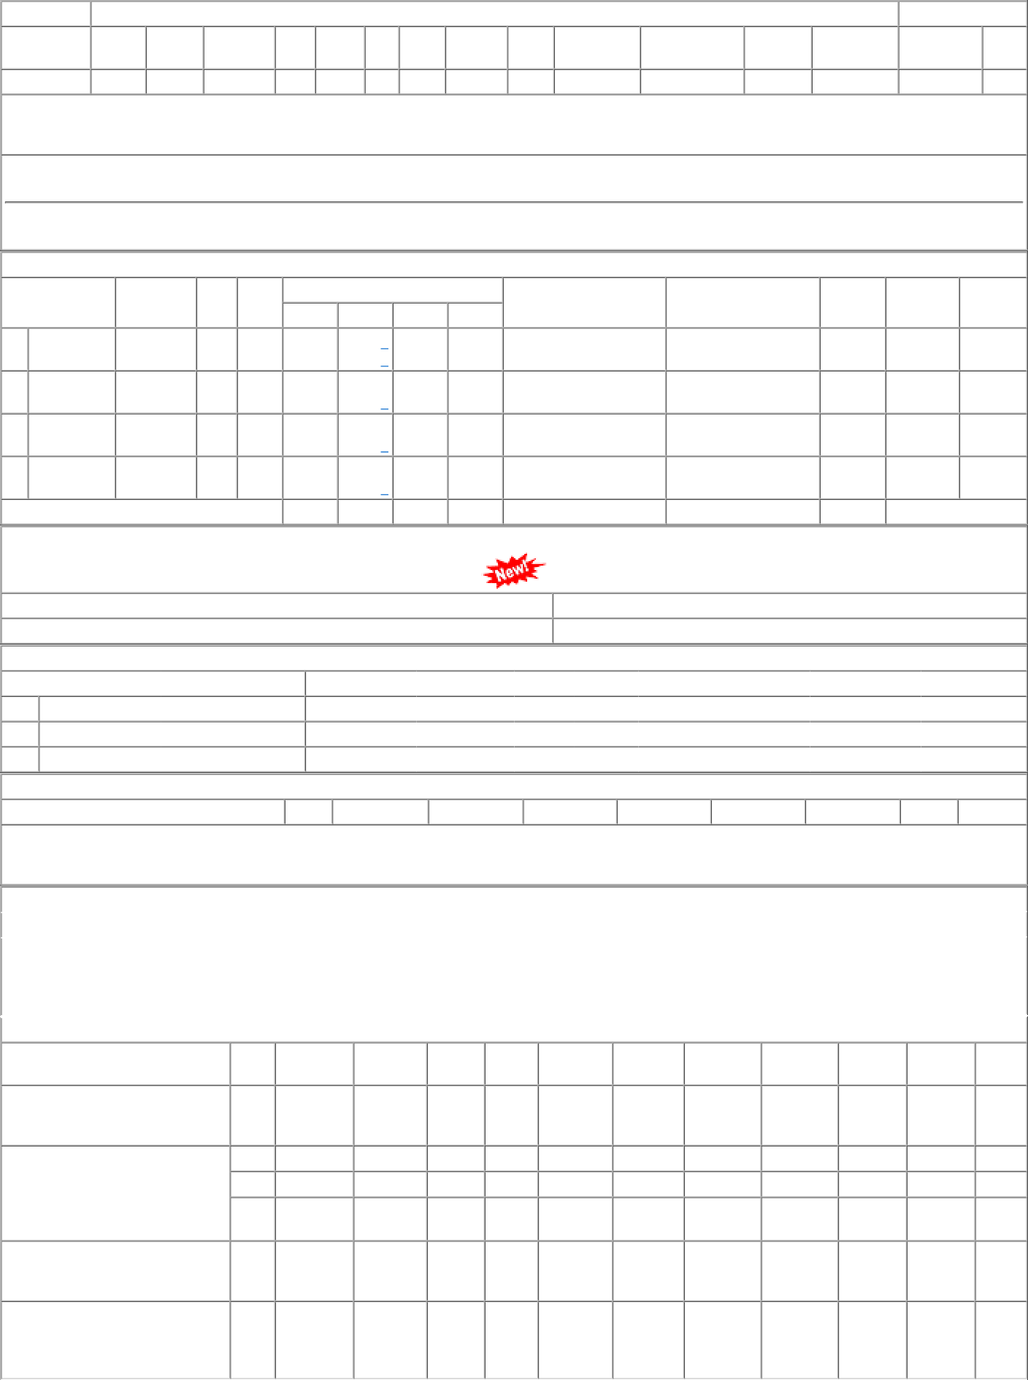
P.O.No.62221136800172 dt.21/05/22 on M/s.Controller of Stores, JAIPUR PO-CAT:[ Reg ] P.O.No.15211077105587 dt.10/11/21 on M/s.NIPUN AGRO ENGINEERING PRIVATE LIMITED-JAIPUR PO-CAT:[ Reg ] P.O.No.62211113800206 dt.22/06/21 on M/s.Controller of Stores, JAIPUR PO-CAT:[ Reg ] P.O.No.78211065800236 dt.30/05/21 on M/s.PCMM Office, Central Railway, Mumbai - 400001 PO-CAT:[ Reg ] | 007 001 002 003 004 011 | PRTN- CW PL-CR BVPW PRTN- CW PRTN- CW BVPW | 1.04 1.06 1.06 1.06 .74 .96 | 2000 21194 9811 7182 3000 10000 | Nos. 0 Nos. 0 Nos. 0 Nos. 0 Nos. 0 Nos. 0 | 0 500 0 20500 0 9811 0 7182 0 3000 0 10000 | 21/07/22 31/05/22 31/05/22 31/05/22 22/08/21 29/07/21 | 22/05/22 21/07/22 OP 01/04/22 31/05/22 OP 01/04/22 31/05/22 OP 01/04/22 31/05/22 OP 23/06/21 22/08/21 OP 29/07/21 OP

